Data
DATA TO GRAPH

Diabetes rate (% of patients)
 | ACTUAL |  |  |  |  | FORECAST
Medical center | 2015 | 2016 | 2017 | 2018 | 2019 | 2020 | 2021 | 2022 | 2023
ALL | 7.2% | 7.6% | 8.0% | 8.1% | 8.6% | 9.0% | 9.3% | 9.7% | 10.0% | 1.46%
A | 2.6% | 3.1% | 3.5% | 3.8% | 4.5% |  |  |  |  | 1.84%
B | 10.7% | 11.4% | 11.9% | 12.0% | 12.5% |  |  |  |  | 1.82%
C | 9.2% | 9.7% | 10.2% | 10.4% | 10.9% |  |  |  |  | 1.66%
D | 8.3% | 8.6% | 9.0% | 9.1% | 9.5% |  |  |  |  | 1.21%
E | 7.9% | 8.2% | 8.5% | 10.1% | 11.3% |  |  |  |  | 3.36%
F | 8.7% | 9.1% | 9.6% | 9.6% | 10.1% |  |  |  |  | 1.41%
G | 3.8% | 4.1% | 4.4% | 4.6% | 5.1% |  |  |  |  | 1.32%
H | 8.4% | 8.8% | 9.2% | 9.5% | 10.0% |  |  |  |  | 1.57%
I | 5.1% | 5.6% | 6.0% | 6.2% | 6.7% |  |  |  |  | 1.60%
J | 6.4% | 6.8% | 7.1% | 7.2% | 7.6% |  |  |  |  | 1.27%
K | 9.2% | 9.7% | 10.1% | 10.2% | 10.5% |  |  |  |  | 1.38%
L | 9.9% | 10.2% | 11.0% | 11.1% | 11.6% |  |  |  |  | 1.69%
M | 5.6% | 6.0% | 6.2% | 6.3% | 6.7% |  |  |  |  | 1.06%

For Separate lnes view (OPTION B)
A |  |  |  |  |  | B |  |  |  |  | C |  |  |  |  | D |  |  |  |  | E |  |  |  |  | F |  |  |  |  | G |  |  |  |  | H |  |  |  |  | I |  |  |  |  | J |  |  |  |  | K |  |  |  |  | L |  |  |  |  | M |  |  |  |  | ALL
2.6% | 3.1% | 3.5% | 3.8% | 4.5% |  | 10.7% | 11.4% | 11.9% | 12.0% | 12.5% | 9.3% | 9.7% | 10.2% | 10.4% | 10.9% | 8.3% | 8.6% | 9.0% | 9.1% | 9.5% | 7.9% | 8.2% | 8.5% | 10.1% | 11.3% | 8.7% | 9.1% | 9.6% | 9.6% | 10.1% | 3.8% | 4.1% | 4.4% | 4.6% | 5.1% | 8.4% | 8.8% | 9.2% | 9.5% | 10.0% | 5.1% | 5.6% | 6.0% | 6.2% | 6.7% | 6.4% | 6.8% | 7.1% | 7.2% | 7.6% | 9.2% | 9.7% | 10.1% | 10.2% | 10.5% | 9.9% | 10.2% | 11.0% | 11.1% | 11.6% | 5.6% | 6.0% | 6.2% | 6.3% | 6.7% | 7.2% | 7.6% | 8.0% | 8.1% | 8.6%

FIG 7.5a

Diabetes rates by medical center: 4 views of the same data

OPTION A: Bars |  |  |  |  | OPTION B: Separate lines

A | 2.6%
 | 3.1%
 | 3.5%
 | 3.8%
 | 4.5%
 | 4.5%
B | 10.7%
 | 11.4%
 | 11.9%
 | 12.0%
 | 12.5%
 | 12.5%
C | 9.3%
 | 9.7%
 | 10.2%
 | 10.4%
 | 10.9%
 | 10.9%
D | 8.3%
 | 8.6%
 | 9.0%
 | 9.1%
 | 9.5%
 | 9.5%
E | 7.9%
 | 8.2%
 | 8.5%
 | 10.1%
 | 11.3%
 | 11.3%
F | 8.7%
 | 9.1%
 | 9.6%
 | 9.6%
 | 10.1%
 | 10.1%
G | 3.8%
 | 4.1%
 | 4.4%
 | 4.6%
 | 5.1%
 | 5.1%
H | 8.4%
 | 8.8%
 | 9.2%
 | 9.5%
 | 10.0%
 | 10.0%
I | 5.1%
 | 5.6%
...
 |  |  |  |  | 2019

 |  |  |  |  | 2015

OPTION C: Standard line graph |  |  |  |  | OPTION D: Slopegraph

 | ALL | A | B | C | D | E | F | G | H | I | J | K
2015 | 0.071762777909 | 0.026179526053 | 0.10722538145 | 0.092 | 0.083014075714 | 0.079397679891 | 0.086898692894 | 0.037806944147 | 0.084324867522 | 0.051111545953 | 0.06355550594 | 0.091668505954
2019 | 0.08633208892 | 0.04462392152 | 0.12545874649 | 0.10859038572 | 0.09510025618 | 0.113 | 0.10101140119 | 0.051033115858 | 0.10000257916 | 0.067138748979 | 0.076276441267 | 0.1054583149

Sheet2
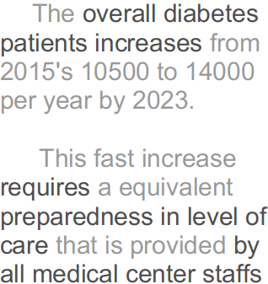
 | ALL | A | B | C | D | F | G | H | I | J | K | E
2015 | 7.2% | 2.6% | 10.7% | 9.2% | 8.3% | 8.7% | 3.8% | 8.4% | 5.1% | 6.4% | 9.2% | 7.9%
2016 | 7.6% | 3.1% | 11.4% | 9.7% | 8.6% | 9.1% | 4.1% | 8.8% | 5.6% | 6.8% | 9.7% | 8.2%
2017 | 8.0% | 3.5% | 11.9% | 10.2% | 9.0% | 9.6% | 4.4% | 9.2% | 6.0% | 7.1% | 10.1% | 8.5%
2018 | 8.1% | 3.8% | 12.0% | 10.4% | 9.1% | 9.6% | 4.6% | 9.5% | 6.2% | 7.2% | 10.2% | 10.1%
2019 | 8.6% | 4.5% | 12.5% | 10.9% | 9.5% | 10.1% | 5.1% | 10.0% | 6.7% | 7.6% | 10.5% | 11.3%

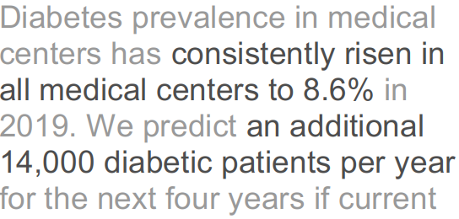

 | ALL | A | B | C | D | F | G | H | I | J | K | E
2015 | 7.2% | 2.6% | 10.7% | 9.2% | 8.3% | 8.7% | 3.8% | 8.4% | 5.1% | 6.4% | 9.2% | 7.9%
2016 | 7.6% | 3.1% | 11.4% | 9.7% | 8.6% | 9.1% | 4.1% | 8.8% | 5.6% | 6.8% | 9.7% | 8.2%
2017 | 8.0% | 3.5% | 11.9% | 10.2% | 9.0% | 9.6% | 4.4% | 9.2% | 6.0% | 7.1% | 10.1% | 8.5%
2018 | 8.1% | 3.8% | 12.0% | 10.4% | 9.1% | 9.6% | 4.6% | 9.5% | 6.2% | 7.2% | 10.2% | 10.1%
2019 | 8.6% | 4.5% | 12.5% | 10.9% | 9.5% | 10.1% | 5.1% | 10.0% | 6.7% | 7.6% | 10.5% | 11.3%
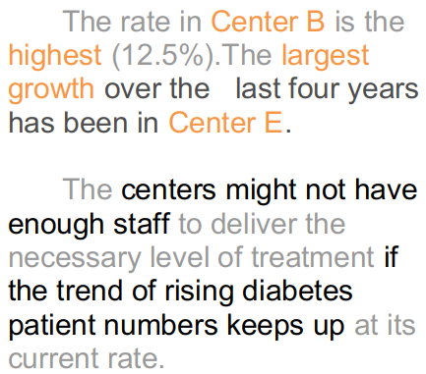

Center B

Center E

All Centers

Diabetes prevalence consistently risen in
The overall diabetes patients increases from 2015's 10500 to 14000 per year by 2023.
This fast increase requires a equivalent preparedness in level of care that is provided by all medical center staffs

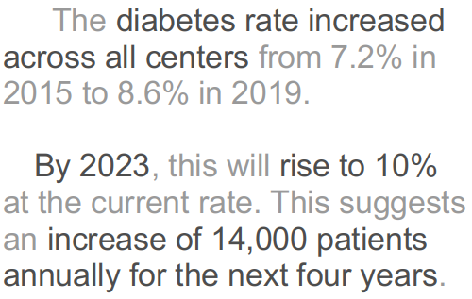

 | ALL | A | B | C | D | F | G | H | I | J | K | E
2015 | 7.2% | 2.6% | 10.7% | 9.2% | 8.3% | 8.7% | 3.8% | 8.4% | 5.1% | 6.4% | 9.2% | 7.9%
2016 | 7.6% | 3.1% | 11.4% | 9.7% | 8.6% | 9.1% | 4.1% | 8.8% | 5.6% | 6.8% | 9.7% | 8.2%
2017 | 8.0% | 3.5% | 11.9% | 10.2% | 9.0% | 9.6% | 4.4% | 9.2% | 6.0% | 7.1% | 10.1% | 8.5%
2018 | 8.1% | 3.8% | 12.0% | 10.4% | 9.1% | 9.6% | 4.6% | 9.5% | 6.2% | 7.2% | 10.2% | 10.1%
2019 | 8.6% | 4.5% | 12.5% | 10.9% | 9.5% | 10.1% | 5.1% | 10.0% | 6.7% | 7.6% | 10.5% | 11.3%

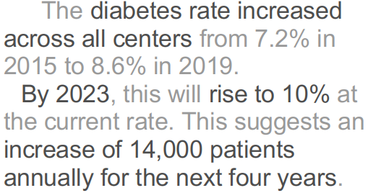

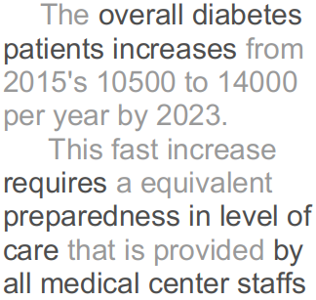

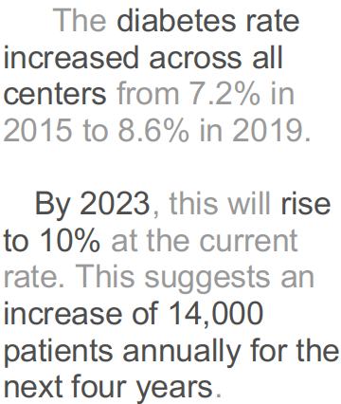
 | ALL | A | B | C | D | F | G | H | I | J | K | E
2015 | 7.2% | 2.6% | 10.7% | 9.2% | 8.3% | 8.7% | 3.8% | 8.4% | 5.1% | 6.4% | 9.2% | 7.9%
2016 | 7.6% | 3.1% | 11.4% | 9.7% | 8.6% | 9.1% | 4.1% | 8.8% | 5.6% | 6.8% | 9.7% | 8.2%
2017 | 8.0% | 3.5% | 11.9% | 10.2% | 9.0% | 9.6% | 4.4% | 9.2% | 6.0% | 7.1% | 10.1% | 8.5%
2018 | 8.1% | 3.8% | 12.0% | 10.4% | 9.1% | 9.6% | 4.6% | 9.5% | 6.2% | 7.2% | 10.2% | 10.1%
2019 | 8.6% | 4.5% | 12.5% | 10.9% | 9.5% | 10.1% | 5.1% | 10.0% | 6.7% | 7.6% | 10.5% | 11.3%
2020
2021
2022
2023

 | ALL | A | B | C | D | F | G | H | I | J | K | E
2015 | 7.2% | 2.6% | 10.7% | 9.2% | 8.3% | 8.7% | 3.8% | 8.4% | 5.1% | 6.4% | 9.2% | 7.9%
2016 | 7.6% | 3.1% | 11.4% | 9.7% | 8.6% | 9.1% | 4.1% | 8.8% | 5.6% | 6.8% | 9.7% | 8.2%
2017 | 8.0% | 3.5% | 11.9% | 10.2% | 9.0% | 9.6% | 4.4% | 9.2% | 6.0% | 7.1% | 10.1% | 8.5%
2018 | 8.1% | 3.8% | 12.0% | 10.4% | 9.1% | 9.6% | 4.6% | 9.5% | 6.2% | 7.2% | 10.2% | 10.1%
2019 | 8.6% | 4.5% | 12.5% | 10.9% | 9.5% | 10.1% | 5.1% | 10.0% | 6.7% | 7.6% | 10.5% | 11.3%
2020
2021
2022
2023

Chart5
 | ALL | A | B | C | D | F | G | H | I | J | K | E
2015 | 7.2% | 2.6% | 10.7% | 9.2% | 8.3% | 8.7% | 3.8% | 8.4% | 5.1% | 6.4% | 9.2% | 7.9%
2016 | 7.6% | 3.1% | 11.4% | 9.7% | 8.6% | 9.1% | 4.1% | 8.8% | 5.6% | 6.8% | 9.7% | 8.2%
2017 | 8.0% | 3.5% | 11.9% | 10.2% | 9.0% | 9.6% | 4.4% | 9.2% | 6.0% | 7.1% | 10.1% | 8.5%
2018 | 8.1% | 3.8% | 12.0% | 10.4% | 9.1% | 9.6% | 4.6% | 9.5% | 6.2% | 7.2% | 10.2% | 10.1%
2019 | 8.6% | 4.5% | 12.5% | 10.9% | 9.5% | 10.1% | 5.1% | 10.0% | 6.7% | 7.6% | 10.5% | 11.3%

